ARXML 가이드라인
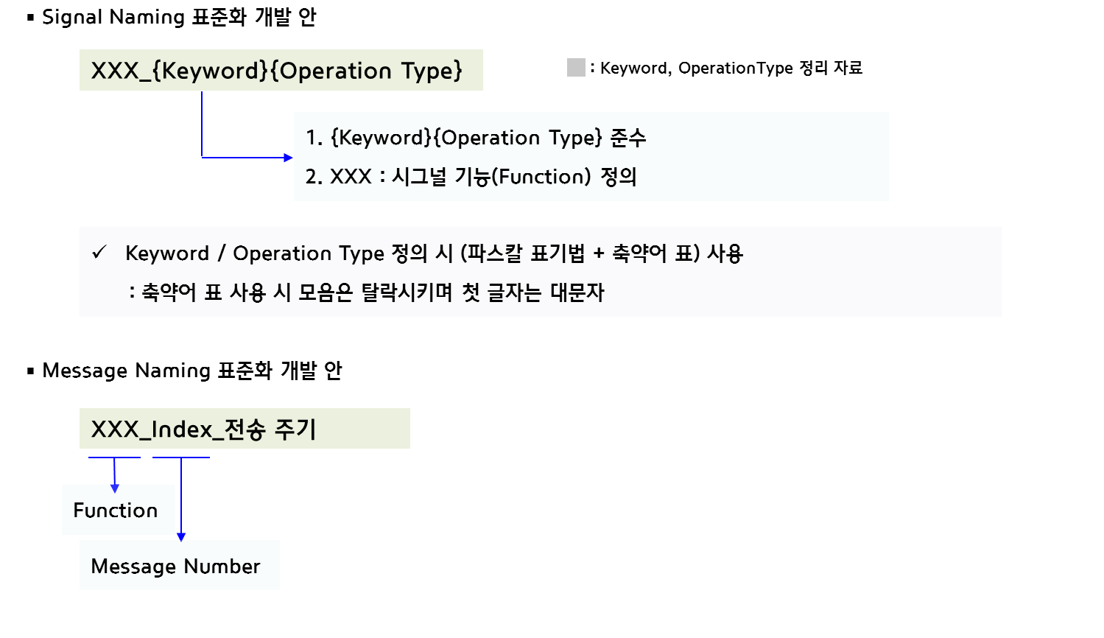
1. 포트 (Port) 설정
1.1. CAN 메시지의 경우 메시지명을 따름

1.2. SW 컴포넌트의 P-포트는 포트명 끝에 '_P'로, R-포트는 포트명 끝에 '_R'로 표시
→ 포트 구별을 위해 시스템명과 함께 표시 할 것 ex. SF_R, SF_P, IDS_P, IDS_R 등
※ 차량동역학 신호 통합처리 : VDISP / 전방위 센서퓨전 : SF / 주행편의통합 : IDC / 전방안전통합 : IFS / 주행안전통합 : IDS / ADAS 통합제어 : IVC
※ 시스템명은 변경될 수 있음

1.3. ADAS_DRV 내부에서 사용하는 데이터 (ex. 전방위 센서퓨전 데이터)는 해당 시스템담당자 의견반영

1.4. 각 컴포넌트는 Sender 인터페이스만 포함할 것 (SW 아키텍처 툴 사용시)
→ Receiver 인터페이스가 외부 네트워크일 경우 Receiver, Sender 인터페이스 모두 포함가능

2. 포트인터페이스 (Port-Interface) 설정
2.1. 전체 SW 아키텍처에서 인터페이스 타입은 Sender-Receiver 인터페이스로 설정

2.2. 포트인터페이스명은 포트명을 따름
→ 동일한 데이터엘리먼트를 가지는 포트의 경우 대표 포트인터페이스 생성 및 해당 인터페이스 공통사용
→ 대표 포트인터페이스의 경우 위치한 경로의 시스템명과 함께 표시 할 것 ex. SF_if, IDS_if, IDC_if 등

2.3. 대표 포트인터페이스 명
-> 순서를 나타내는 숫자표기가 포트명에 있을경우 숫자제외(언더바 포함)하여 포트인터페이스명 생성
ex. SF_Obj_032 -> SF_Obj

2.4. 포트인터페이스명 끝에 '_if'로 표시

3. 인터페이스 데이터 엘리먼트 (Interface Data Element)
3.1. 포트 및 포트인터페이스가 CAN DB일 경우 데이터 엘리먼트는 메시지 신호명 사용

3.2. 인터페이스내 데이터 엘리먼트가 반복될 경우 (ex. CAN DB 메시지 한개에 2개 물체가 할당된 경우) 숫자표기로 구분함 ('01'부터 사용)
 | ※ 숫자가 백단위까지 높아질 경우 '001'부터 시작으로 변경예정
ex. FR_RDR_QualLvl01Val, FR_RDR_QualLvl02Val,...

※ 전방위 센서퓨전에서 "Received"에서 ADAS 로컬네트워크 DB는 본 문서에 기록하지 않음 (별도 ADAS 로컬네트워크 DB를 참고할 것)

※ CAN-FD DB Message/Signal Naming Rule 개발 안 (전자아키텍처개발팀)

